Sheet1
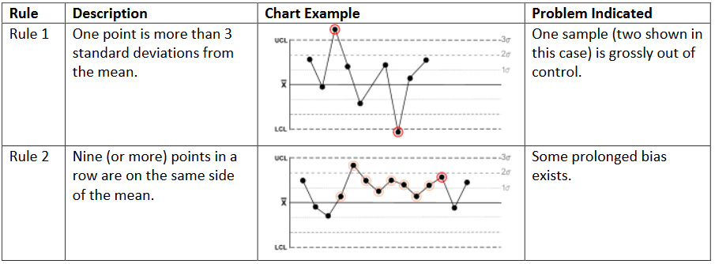
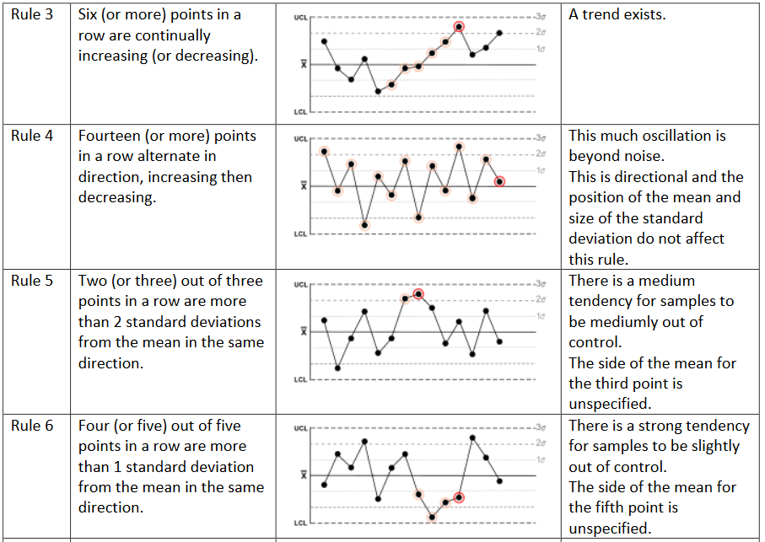
SPC requirement of each SMT process

No. | Process | Contents need control SPC | Frequency | Current control | Longterm control | SPC type | SPC rule need control | Logic description if use by soft | RGO document requirement | Others requirement | Incharge | When | Comment
1 | SMT | Stencil tension | Once every 4 hours production | Manual | Softwere | I-MR chart | Rule 1 only ( out of UCL,LCL) | Worker will input data to system after measurement. Software make graph and control follow each stencil code ( each point will be a graph), Spec by internal(alarm,spec) | QCP | Alarm and stop at SPA scan position | Chien PE | Next meeting
2 | SMT | Temperature of Carrier and FPC | 3 Panel per hour | N/A | Manual | Xbar-R Chart (<35oC) | deviation | Next meeting | QCP | Alarm and stop at input SMT | Chien PE | Next meeting
3 | SPI | 1.Solder paster volume 2.Solder paster X/Y position | 4 panel every 2 hours | N/A | Softwere | Xbar R Chart | Analysis data, sampling data (full and QCP) then decide which rule can apply. (12/3) | Next meeting | QCP | Alarm and stop at SPI machine | Chien PE | Next meeting
4 | Reflow | Oxygen Concentration | Once per zone per two hours | N/A | Softwere | IMR-Chart (<1000ppm) | deviation | Next meeting | QCP | Alarm and stop at conveyor before reflow | Trinh PE | Next meeting
5 | AOI | Defect rate | By Lot SMT | Manual | Softwere | P-Chart | Rule1,3 | Next meeting | QCP | Alarm at AOI ,send email and lock shipment | Trinh PE | Next meeting | (mail : lock and unlock by email)
6 | X-Ray | Defect rate | By Lot SMT | N/A | Softwere | P-Chart | Rule1,3 | Next meeting | QCP | Alarm at Xray,send email and lock shipment | Trinh PE | Next meeting | (mail : lock and unlock by email)
7 | ICT | 1.SUS resistance 2.B2B resistance | 5pcs per 2 hours per tester | N/A | Softwere | X-Bar R chart | Analysis data, sampling data (full and QCP) then decide which rule can apply. (12/3) | Next meeting | QCP | Alarm at 1 one common monitor of each checker line | Chien PE | Next meeting
 |  | 3.Defect rate | By Lot SMT | N/A | Softwere | P-Chart | Rule1,3 | Next meeting | Internal | Alarm at ICT,send email and lock shipment | Chien PE | Next meeting | (mail : lock and unlock by email)
8 | FQC/OQC | FVI | By Lot SMT | N/A | Softwere | P-Chart | Rule1,3 | Pickup data from MPE | QCP | Alarm at cognex ,send email and lock shipment | Khanh/Loan | Next meeting | (mail : lock and unlock by email)
 |  | Defect rate Cognex | By Lot SMT | N/A | Softwere | P-Chart | Rule1,3 | Next meeting | QCP | Alarm at QC gate,send email and lock shipment | Khanh/Loan | Next meeting | (mail : lock and unlock by email)
9 |  | SPC/FAI | per line/day | N/A | Softwere | X-Bar R chart | Analysis data, sampling data (full and QCP) then decide which rule can apply. (12/3) | Next meeting | QCP | Alarm at QC gate,send email and lock shipment | Khanh/Loan | Next meeting | (mail : lock and unlock by email)

SPC rule summary

